Winding Design
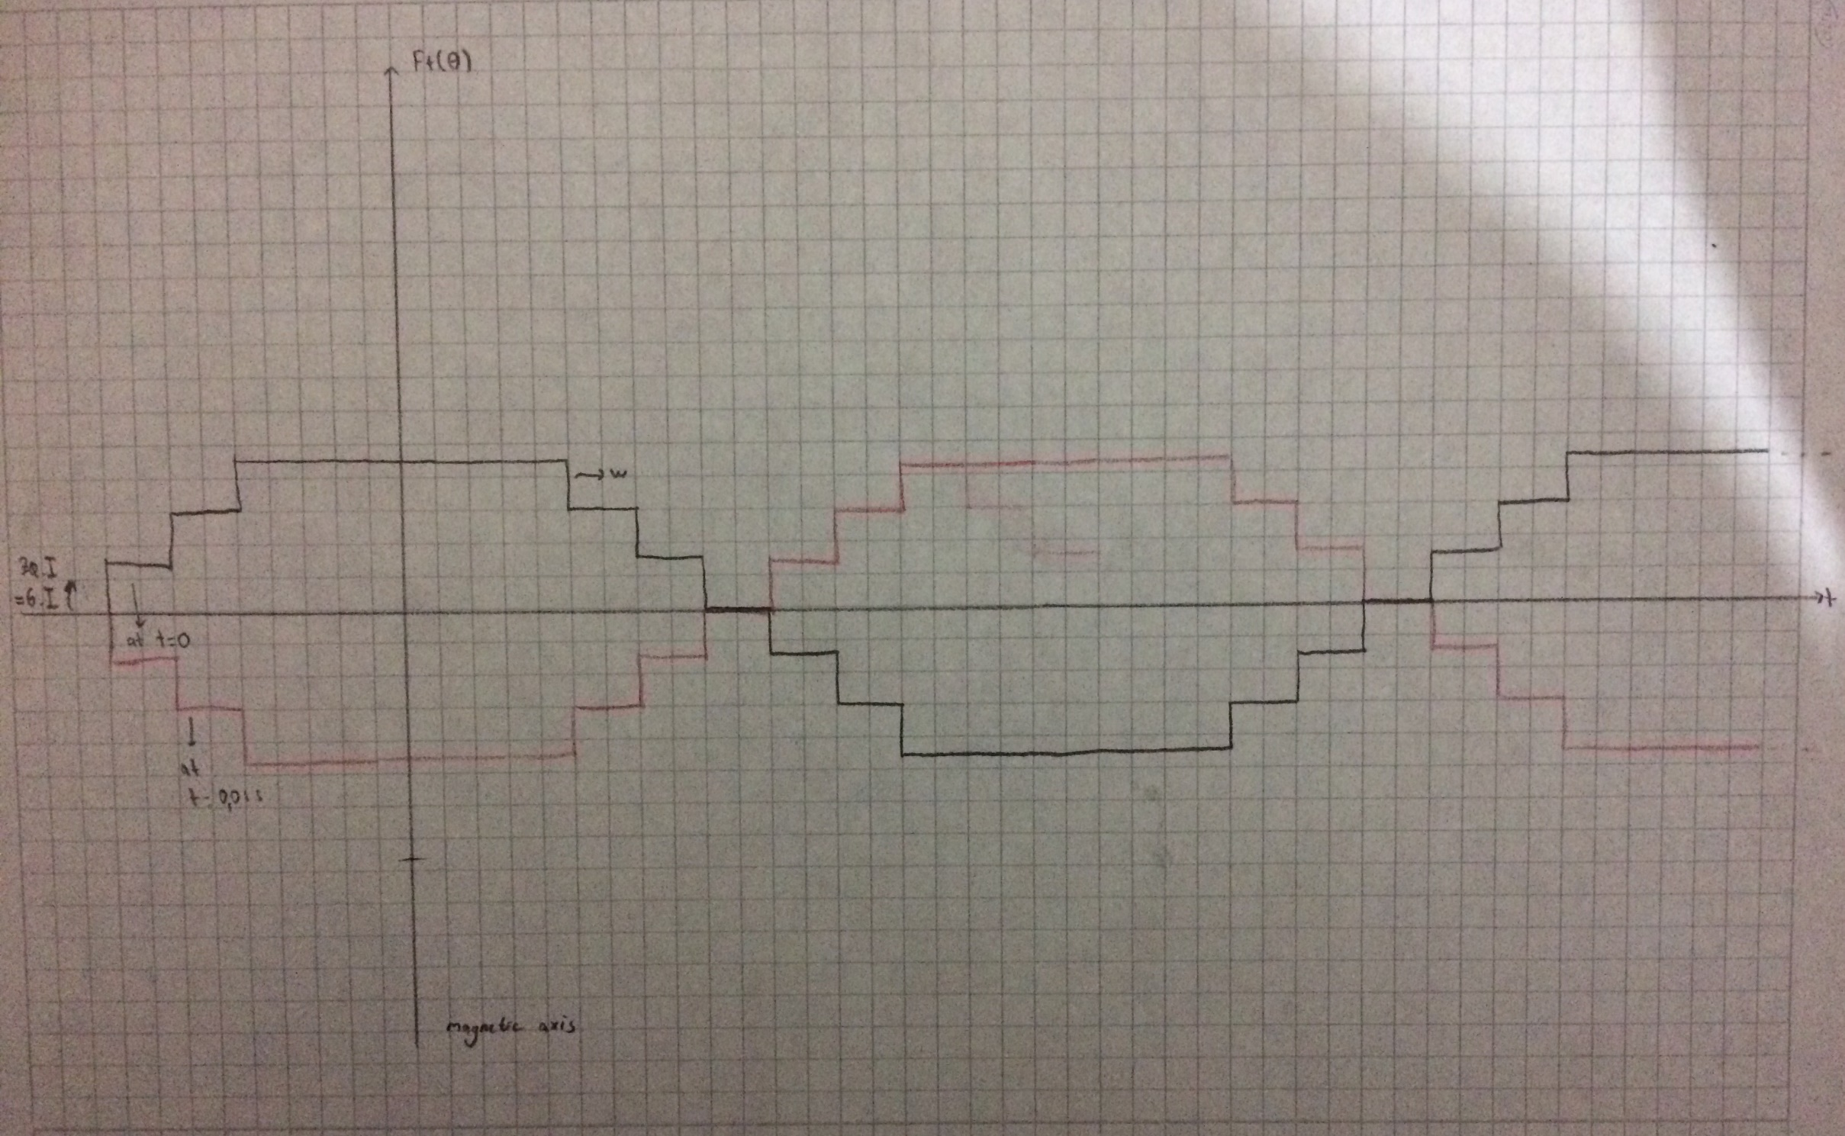
Number of Poles |  | 4 |  |  |  |  |  |  | Number of StatorSlots |  |  | 36 |  |  | Di (m) | 0.115
Type of Winding |  | Integral, Double Layer, Distributed Winding |  |  |  |  |  |  | Slots per Pole |  |  | 9 |  |  | L (m) | 0.2
Winding Factors |  | 0.95979508052 | 0.66666666667 | 0.21756788156 | -0.17736296208 | -0.33333333333 |  |  | Slot per Pole per Phase |  |  | 3
Number of Turns |  | 180 |  |  |  |  |  |  | Slot Angle (degree) |  |  | 20 | 0.3490658504
Wire Size |  | 14AWG | < | 2.177 | (mm^2) |  |  |  | Conductors per Slot |  |  | 30
Fill Factor |  | 0.7 |  |  |  |  |  |  | Nphase |  |  | 180 | 71.249819887
Winding Connection |  | wye |  |  |  |  |  |  | Flux per Pole (Wb) |  |  | 0.005720302163 | 0.014451326207
Voltage Rating (V) |  | 380 |  |  |  |  |  |  | Bavg (T) |  |  | 0.31666586616 | 0.8
Current Rating (A) |  | 8 |  |  |  |  |  |  | Airgap Clearance (m) |  |  | 0.001
Output Power Rating (W) |  | 3000 |  |  |  |  |  |  | Torque (N.m) |  |  | 20.462778398 | 165.77086328
Frequency |  | 50 |  |  |  |  |  |  | Speed (rad/s) |  |  | 18.097269572 | 172.81619453 | rpm
Input Power Rating (W) |  | 3871.7081965 |  |  |  |  |  |  |  |  |  | 146.60765717 | 1400 | rpm

A |  |  | C- |  |  | B |  |  | A- |  |  | C |  |  | B- |  |  | A |  |  | C- |  |  | B |  |  | A- |  |  | C |  |  | B-
a1 | a2 | a3 | c10- | c11- | c12- | b1 | b2 | b3 | a4- | a5- | a6- | c1 | c2 | c3 | b4- | b5- | b6- | a7 | a8 | a9 | c4- | c5- | c6- | b7 | b8 | b9 | a10- | a11- | a12- | c7 | c8 | c9 | b10- | b11- | b12-
a10 | a11 | a12 | c7- | c8- | c9- | b10 | b11 | b12 | a1- | a2- | a3- | c10 | c11 | c12 | b1- | b2- | b3- | a4 | a5 | a6 | c1- | c2- | c3- | b4 | b5 | b6 | a7- | a8- | a9- | c4 | c5 | c6 | b7- | b8- | b9-

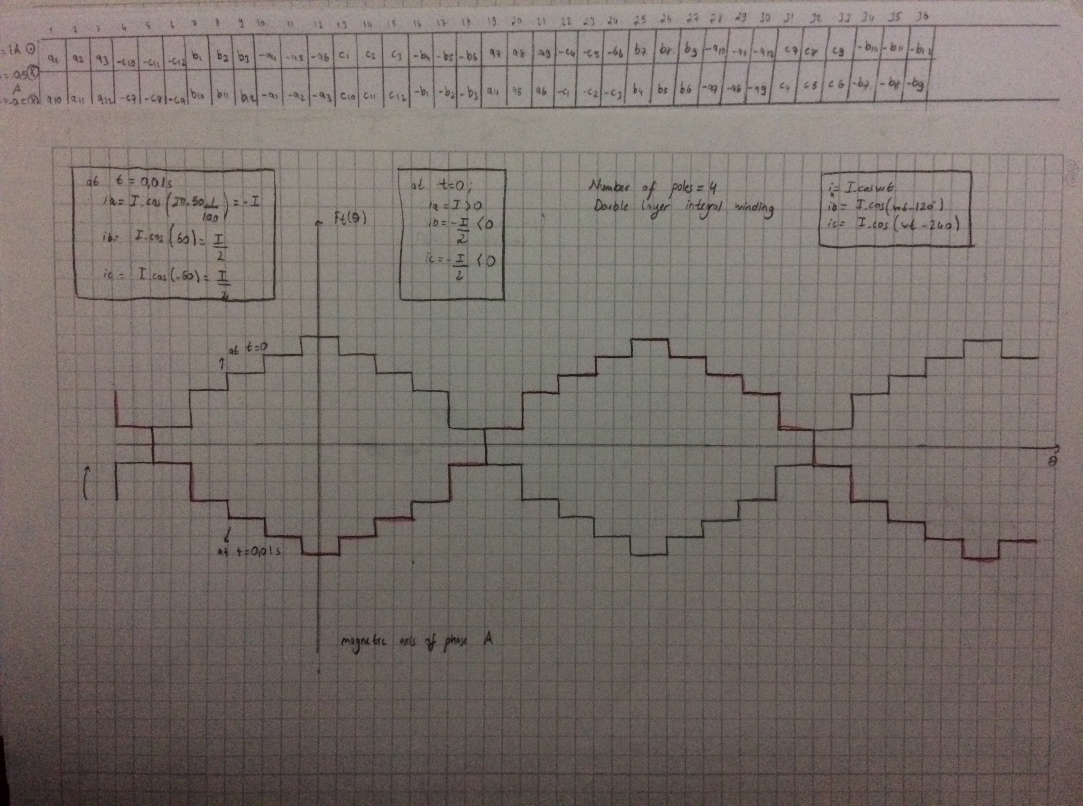

MMF Waveforms
 |  |  | -0.3490658504 | -1 | 1
 |  |  | 0 | 1 | -1
 |  |  | 0.3490658504 | 3 | -3
 |  |  | 0.6981317008 | 4 | -4
 |  |  | 1.0471975512 | 5 | -5
 |  |  | 1.3962634016 | 6 | -6
 |  |  | 1.745329252 | 5 | -5
 |  |  | 2.0943951024 | 4 | -4
 |  |  | 2.4434609528 | 3 | -3
 |  |  | 2.7925268032 | 1 | -1
 |  |  | 3.1415926536 | -1 | 1
 |  |  | 3.490658504 | -3 | 3
 |  |  | 3.8397243544 | -4 | 4
 |  |  | 4.1887902048 | -5 | 5
 |  |  | 4.5378560552 | -6 | 6
 |  |  | 4.8869219056 | -5 | 5
 |  |  | 5.235987756 | -4 | 4
 |  |  | 5.5850536064 | -3 | 3
 |  |  | 5.9341194568 | -1 | 1
 |  |  | 6.2831853072 | 1 | -1

coil span=120 (6 slots)

A |  |  | C- |  |  | B |  |  | A- |  |  | C |  |  | B- |  |  | A |  |  | C- |  |  | B |  |  | A- |  |  | C |  |  | B-
a1 | a2 | a3 | c10- | c11- | c12- | b1 | b2 | b3 | a4- | a5- | a6- | c1 | c2 | c3 | b4- | b5- | b6- | a7 | a8 | a9 | c4- | c5- | c6- | b7 | b8 | b9 | a10- | a11- | a12- | c7 | c8 | c9 | b10- | b11- | b12-
c7- | c8- | c9- | b10 | b11 | b12 | a1- | a2- | a3- | c10 | c11 | c12 | b1- | b2- | b3- | a4 | a5 | a6 | c1- | c2- | c3- | b4 | b5 | b6 | a7- | a8- | a9- | c4 | c5 | c6 | b7- | b8- | b9- | a10 | a11 | a12

